Ejemplo de Tratamiento
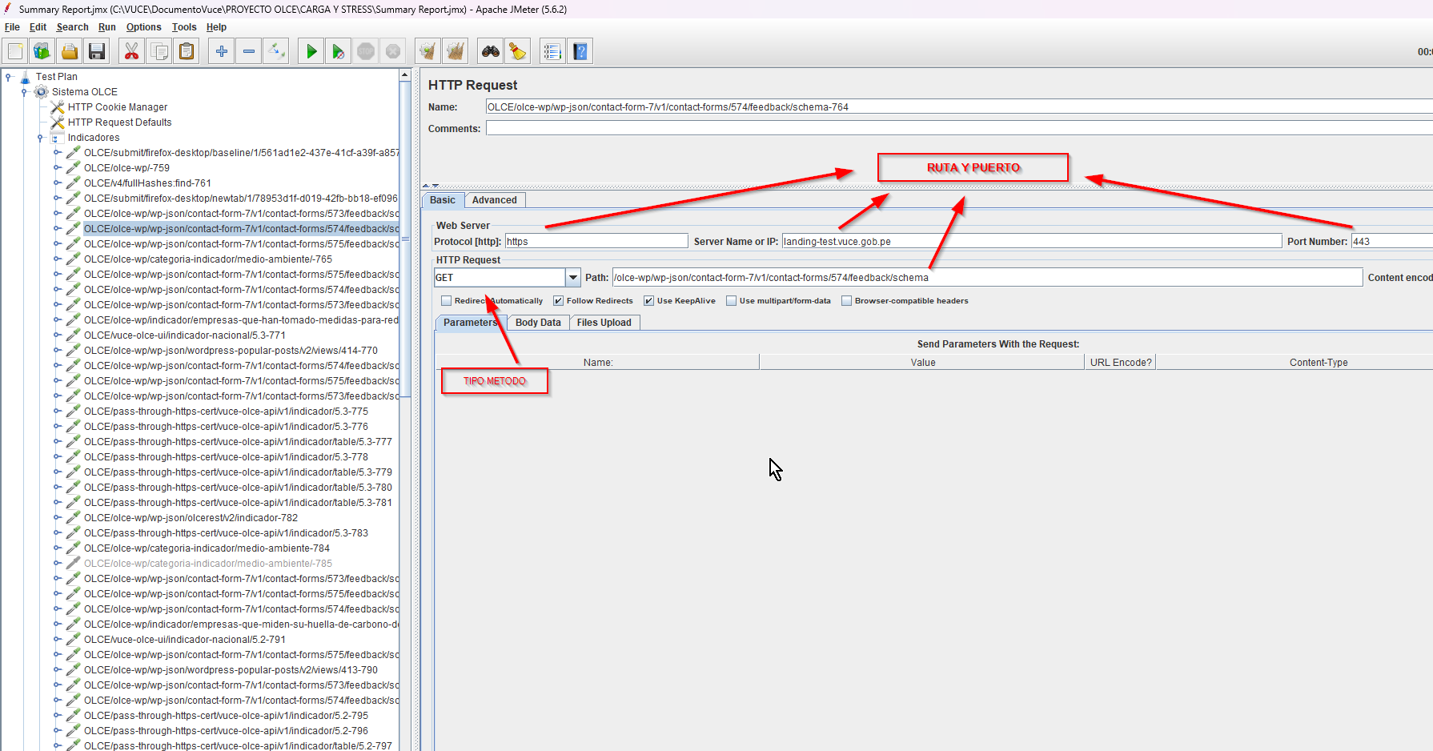
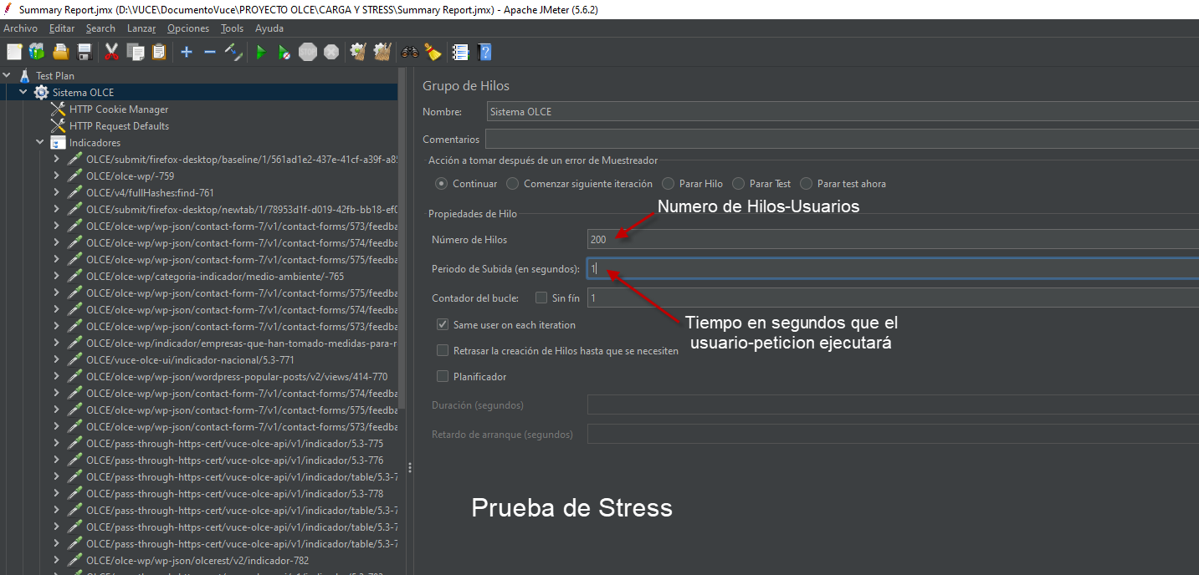
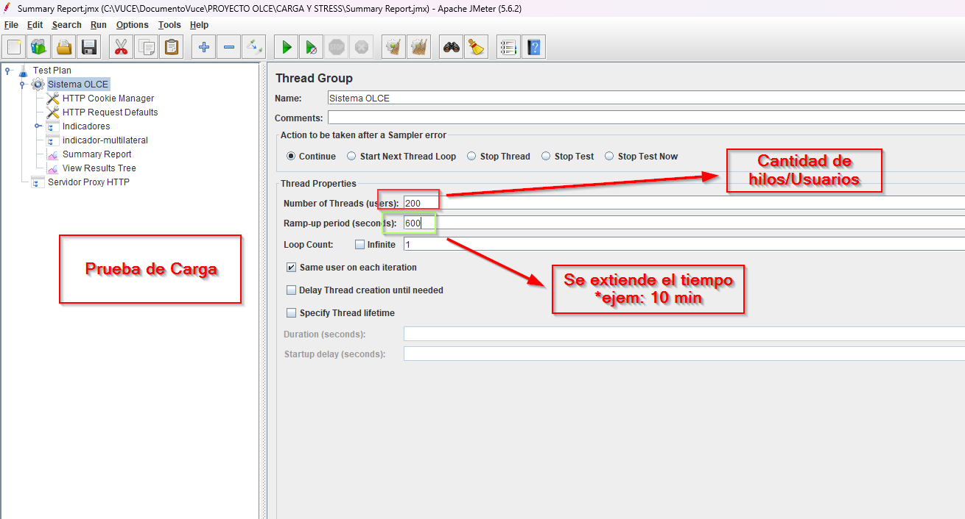
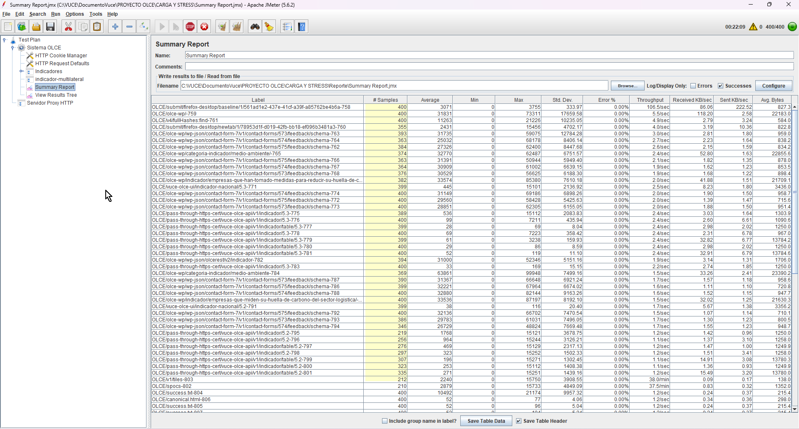
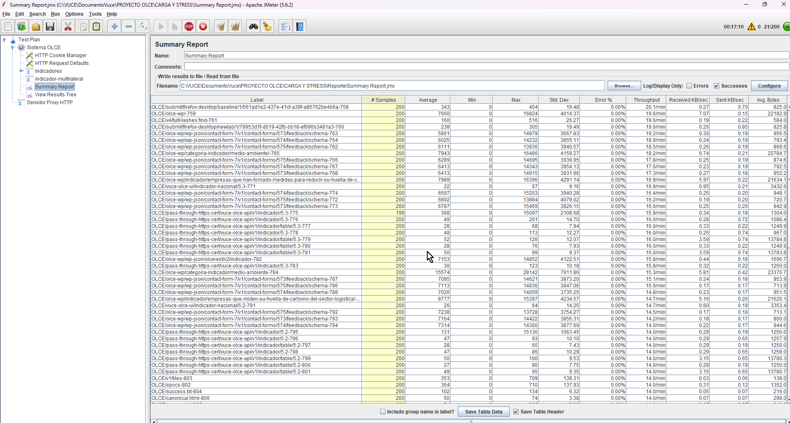
RUTA DE EJEMPLO DE EJECUCIÓN DE TIPO POST | https://drive.google.com/file/d/1TGltwuyusaPRYYlaV5-LvV3v4jqlB0x0/view?usp=sharing
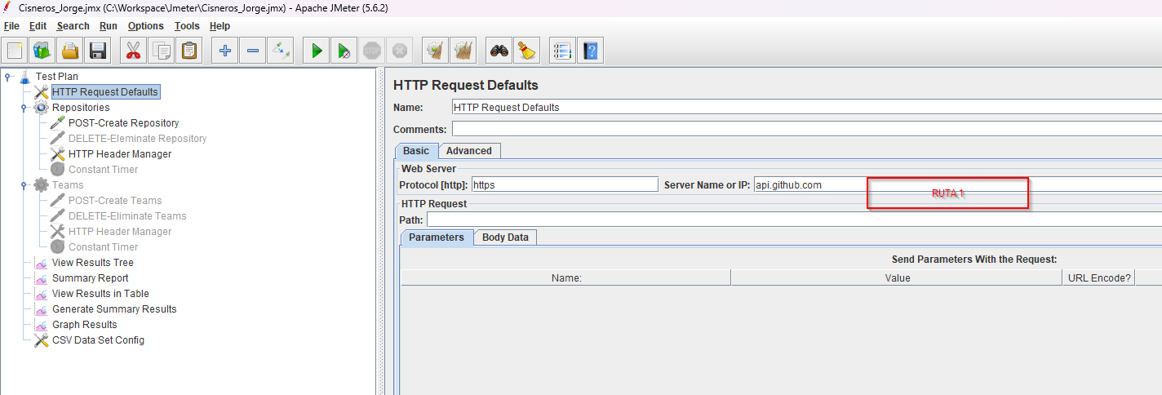

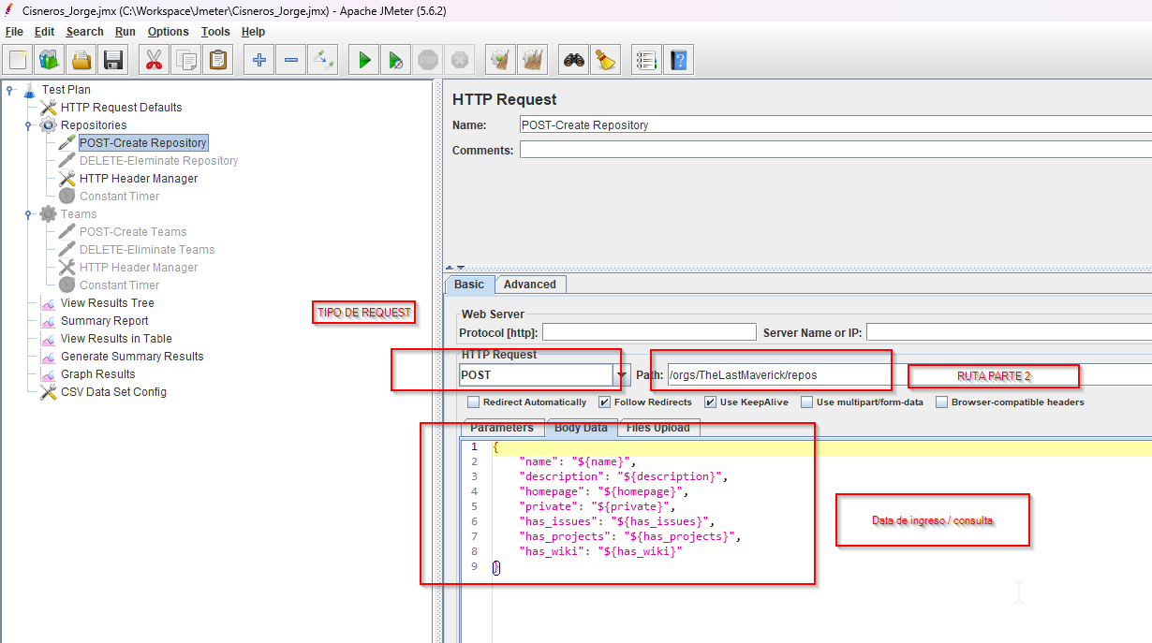

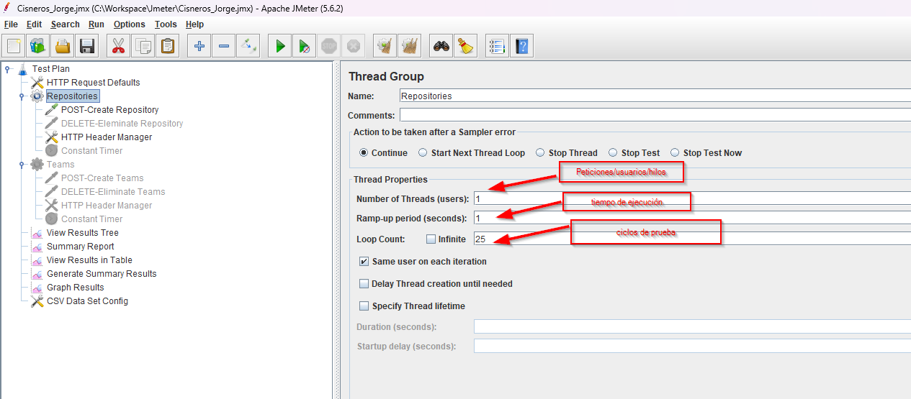

RUTA DE EJEMPLO DE EJECUCIÓN DE TIPO GET

